2. TDM POINT SYSTEM
BTD TRANSPORTATION DEMAND MANAGEMENT POINT SYSTEM TOOL |  |  |  |  |  | For more information visit: www.boston.gov/tdmpointsystem
FOR LARGE PROJECT DEVELOPMENT REVIEW
PROJECT NAME |  |  |  |  |  | Points for platinum-level bike share membership and at least 50% transit subsidy | 0
This spreadsheet is locked. Selections can be made in the highlighted yellow cells.
PROJECT ADDRESS |  |  |  |  |  | Total Points Selected | 40
DEVELOPER |  |  |  |  |  | Point Requirement Achieved | No
MOBILITY SCORE |  | 71-90 |  |  |  | Impact Strategy Selected | No
 |  |  |  |  |  | Bicycle Strategy Selected | No
TARGET POINTS |  | 90 |  |  |  | Vehicle Strategy Selected | No
RESIDENTIAL ONLY? |  | No

CATEGORY | SECONDARY STRATEGY TYPE | STRATEGY | POINTS | DESCRIPTION | SELECT STRATEGY | SELECT FOR MORE OPTIONS | POINTS | REQUEST OR PROVIDE ADDITIONAL INFO FOR BASELINE STRATEGIES
Baseline Strategies are required for all large developments subject to a Transportation Access Plan Agreement (TAPA). If Baseline Strategy is unachievable, please provide more information under "Additional Information."
BASELINE REQUIREMENTS FOR ALL DEVELOPMENTS | Programming | TMA Membership | 5 points awarded total | Property owner joins and participates in the local Transportation Management Association (TMA), if available, or if one is formed during the life of the TAPA |  | No additional options apply | 5
 |  | On-Site TDM Coordinator |  | Property owner provides part- or full-time dedicated staff to coordinate TDM services | TRUE | No additional options apply
 |  | Marketing |  | Property owner distributes annual marketing materials promoting multimodal travel options and benefits | TRUE | No additional options apply
 |  | Annual Events |  | Property owner conducts at least two annual events promoting multimodal travel | TRUE | No additional options apply
 |  | Real-Time Transit Information |  | Developer provides real-time transit information in building lobbies per BTD review | TRUE | No additional options apply
 |  | Emergency Ride Home |  | Property owner provides ride services, such as reimbursement of taxi or rideshare trips, outside of peak travel periods for tenants/employees who use sustainable transportation options | TRUE | No additional options apply
 | Transit | Participation in MBTA Perq Program | 15 | Property owner or employers facilitate transit pass purchases (with pre-tax benefits, if applicable) through participation in MBTA's Perq Program | TRUE | No additional options apply | 15
 | Vehicle | Unbundled, Market-Rate Parking | 15 | Property owner provides tenants the option to lease or purchase building space without inclusion of a market rate price for on-site parking. Parking may be leased or purchased by tenants separately at a market rate. | TRUE | No additional options apply | 15
 | Bicycling | Bicycle Parking/Bike Share Provision | 5 | Developer complies with BTD Bike Parking Guidelines, including provision of short- and long-term parking spaces, showers and changing facilities, monetary contribution to Boston’s bike share system, and space for a bike share station, as well as provide on-site repair station | TRUE | No additional options apply | 5
IMPACT | At least one Impact Strategy must be selected.
 | Transit | Transit Subsidy | 15-30 | Property owner or employer provides a subsidy for monthly MBTA transit passes. | FALSE | Transit subsidy of at least 50% | 0
 | Vehicle | Parking Reduction | 15-30 | Developer provides on-site parking at a rate below the maximum allowed by BTD's Parking Ratio Guidelines | FALSE | Parking provided at no more than 25% of maximum | 0
 |  | Parking Pricing | 5-30 | Property owner charges market-rate pricing for use of on-site parking at an hourly, daily, weekly, or monthly rate | FALSE | Parking provided above 75% of maximum | 0
 |  |  |  |  | FALSE | Daily-only charging | 0
ELECTIVE | Bicycling | Bike Share Membership Subsidy | 5-8 | Property owner or employer provides discounted bike share memberships as part of the Bluebikes Corporate Program | FALSE | Bike share memberships are bronze-level | 0
 |  | E-Bike/E-Cargo Bike Program | 5 | Property owner provides on-site e-bikes and/or e-cargo bikes for use by project tenants. This strategy is more appropriate for use at project sites with challenging topography. | FALSE | No additional options apply | 0
 |  | Additional Bike Parking Spaces | 2-5 | Developer provides additional short- or long-term bike parking spaces above the minimum rates in BTD's Bike Parking Guidelines | FALSE | Parking provided at no less than 125% of maximum | 0
 |  | Multimodal Transportation Subsidy | 10 | Property owner provides a monthly subsidy for multimodal travel expenses, such as bicycle maintenance | FALSE | No additional options apply | 0
 | Vehicle | Parking Cashout | 10 | Property owner or employer provides monthly payment for users to forgo on-site parking when parking is made available for free or at a subsidized rate. Payment is equivalent to the monthly market cost of the space. | FALSE | No additional options apply | 0
 |  | Carpool Program w/ Preferential Spaces | 5-10 | Property owner or tenant provides carpool matching services with preferential and (if parking pricing exists) discounted parking close to building entrances | FALSE | Carpool parking priced at a discount of at least 50% of the normal rate | 0
 |  | Car Share Membership/Subsidy | 2-4 | Property owner or tenant provides a subsidized membership to a car share service for users | FALSE | Subsidy of 100% of car share membership cost | 0
 |  | Car Share Parking | 3-6 | Developer provides a minimum of one car share vehicle(s) that is accessible 24 hours a day, seven days a week | FALSE | Car share parking is EV and publicly-accessible | 0
 | Transit | Shuttle Service | 5-10 | Property owner provides a shuttle service to connect project users with nearby transit stations or activity centers | FALSE | Peak period operations only | 0
 |  | Bus Stop Improvements | 2-4 | Developer provides improvements, including accessibility upgrades and installation or upgrade of shelters, for bus stops which serve the project | FALSE | Provision of a bench | 0
 | Development | Mixed-Use Development | 5-20 | Developer constructs secondary land uses which can offset trips elsewhere or incorporates a centralized parcel drop-off/receiving stations into any residential component of the project | FALSE | Fitness center component (select one, points descend in order listed) | 0
 |  |  |  |  | FALSE | Centralized parcel drop-off/receiving station | 0
 |  | Bundled Transportation Options (GoHubs!) | 4 | Developer identifies publicly-accessible space around the development to collocate transportation options such as car share, bike share, bike parking, electric vehicle charging, passenger pick-up/drop, bike parking, and e-bike/e-scooter charging stations. This space may be adjacent to a public street that allows for transportation options to be located curbside. | FALSE | No additional options apply | 0

3. MOBILITY SCORES
MAXIMUM PARKING RATIOS PER LAND USE |  |  |  |  | MOBILITY SCORES MAP
FOR LARGE NEW DEVELOPMENTS |  |  |  |  |  | For more information on Mobility Scores, please visit: www.boston.gov/maxparkingratios
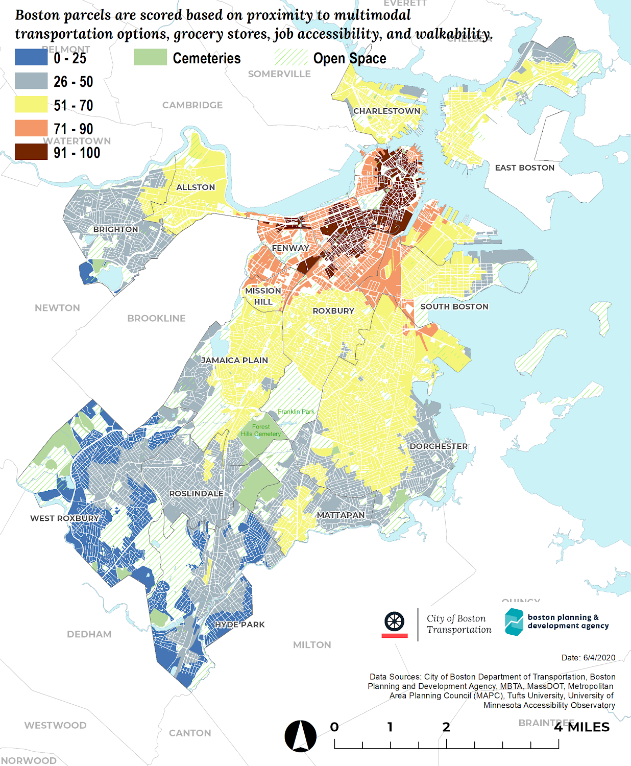
LAND USE | TOTAL SCORE | MAX PARKING RATIO FOR DEVELOPMENTS 50,000 SQ FT AND LARGER
Residential (per unit) |  | Rental | Condos
 | 91-100 | 0 - 0.35 | 0 - 0.50
 | 71-90 | 0 - 0.50 | 0 - 0.75
 | 51-70 | 0 - 0.75 | 0 - 1.0
 | 26-50 | 0 - 1.0 | 0 - 1.0
 | 0-25 | 0 - 1.0 | 0 - 1.25
Hotel (per unit) | Any | 0 - 0.20
Retail (per 1,000 sf) |  | Retail < 5,000 sq ft | Retail > 5,000 sq ft
 | 91-100 | 0 - 0.25 | 0 - 0.50
 | 71-90 | 0 - 0.30 | 0 - 0.60
 | 51-70 | 0 - 0.40 | 0 - 0.80
 | 26-50 | 0 - 0.50 | 0 - 1.0
 | 0-25 | 0 - 0.75 | 0 - 1.0
Office / Private Lab (per 1,000 sf) Including medical research, and administrative medical uses | 91-100 | 0 - 0.30
 | 71-90 | 0 - 0.60
 | 51-70 | 0 - 0.80
 | 26-50 | 0 - 1.0
 | 0-25 | 0 - 1.25
Institutional (per 1,000sf) Including non-institutional medical clinics |  | Medical Clinics | Research and Development / Laboratories | Universities & Colleges
 | 91-100 | 0 - 0.5 | 0 - 0.20 | 0 - 0.20
 | 71-90 | 0 - 0.70 | 0 - 0.40 | 0 - 0.40
 | 51-70 | 0 - 0.80 | 0 - 0.60 | 0 - 0.60
 | 26-50 | 0 - 1.0 | 0 - 0.80 | 0 - 0.80
 | 0-25 | 0 - 1.25 | 0 - 1.0 | 0 - 1.0
Industrial/ Manufacturing (per 2,500 sf) | 91-100 | 0 - 0.20
 | 71-90 | 0 - 0.35
 | 51-70 | 0 - 0.55
 | 26-50 | 0 - 0.75
 | 0-25 | 0 - 1.25

